Print Page 1
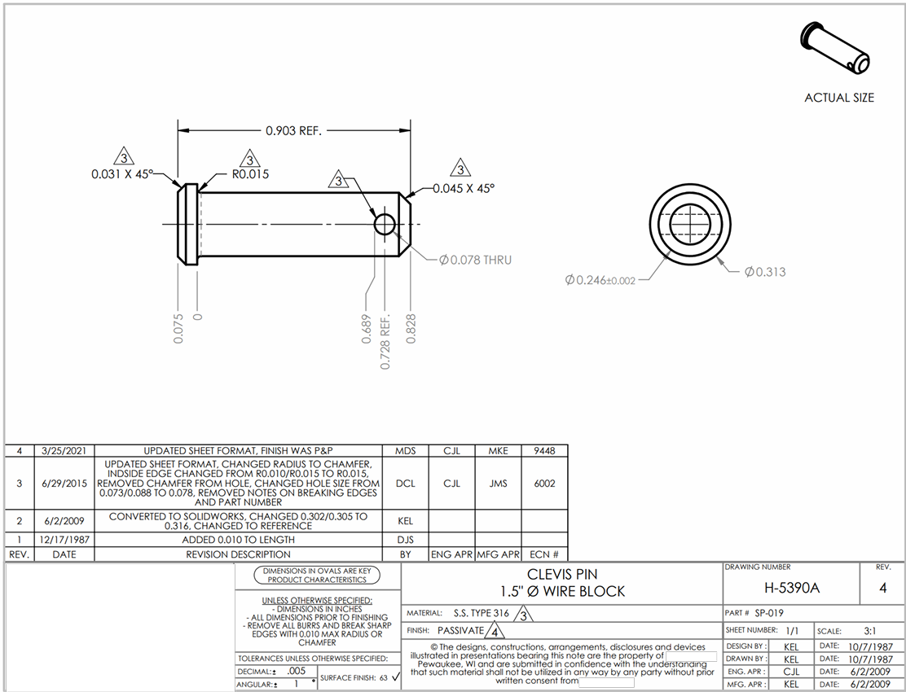

9

10

11a
11b
8a
8b

7
2
1

3
4
6
5

